1. Cover & Summary
IS 11384:2022 CCD Example 001

CONCRETE-ENCASED RECTANGULAR COMPOSITE COLUMN

EXAMPLE DESCRIPTION
Compression, moment, and shear capacities and demand/capacity ratio are calculated for concrete-encased rectangular section member at mid-height as shown below. It is simply supported with a length of 7.0 meters.

Z
7.0
400
260
70
70
159
159
72
256
72
400
159
159
y
m
17.3
10.5
12
M bar
M
P
GEOMETRY, PROPERTIES AND LOADING
 |  |  | Overall width of column (along Z axis) | = | 400 | mm
 |  |  | Overall depth of column (along Y axis) | = | 400 | mm
 |  |  | Depth of I section (along Z axis) | = | 256 | mm
 |  |  | Width of I section (along Y axis) | = | 260 | mm
 |  |  | Effective cover of reinforcement | = | 41 | mm
 |  |  | Length of column | = | 7.0 | mm

 |  | center to center distance between reinforcemt :
 |  | Along Z axis |  | = | 159 | mm
 |  | Along Y axis |  | = | 159 | mm

 |  | Distance of I section from face of column :
 |  | Along Z axis |  | = | 72 | mm
 |  | Along Y axis |  | = | 70 | mm

(The dimensions of the cross-section are in mm.)
Dead: P = 1,200 kN |  |  |  |  | concrete-encased rectangular composite column
Live: P = 600 kN, My = 380 kN - m, Mz = 50 kN - m

Applicable Programs | ➤ ETABS | RESULTS COMPARISON

Summary of results :

Output Parameter | Independent results | COMPUTER FILE: IS 11384 2022 CCD Ex001
Axial - Pd (kN) | 5701
Axial - P'd,C,z (kN) | 1835
Axial - P'd,C,y (kN) | 3884
Axial reduction factor - χz | 0.76
Axial reduction factor - χy | 0.62
Flexure – Mmax,z (kN-m) | 505
Flexure – Mdz (kN-m) | 468
Flexure – Mmax,y (kN-m) | 310
Flexure – Mdy (kN-m) | 187
Shear - Vdy (kN) | 544
Shear - Vdz (kN) | 1764
D/C – Combined Axial and Biaxial Bending | 1.381 | The results show excellent match with independent results.

*Independent results are hand calculated.

2. Properties
Properties:
 | Material:
 |  | Steel: Fe345
Es = |  | 210,000 | N/mm2
fy = |  | 345 | N/mm2
γm0 = |  | 1.10

Z
7.0
400
260
70
70
159
159
72
256
72
400
159
159
y
m
17.3
10.5
12
M bar
M
P
 |  | Concrete: M30
Ecm = |  | 27,386 | N/mm2
fck = |  | 30 | N/mm2
γc = |  | 1.50 |  |  |  |  |  |  |  |  |  | Overall width of column (along Z axis) | = | 400 | mm
αc = |  | 0.85 |  |  |  |  |  |  |  |  |  | Overall depth of column (along Y axis) | = | 400 | mm
αcc = |  | 1 |  |  |  |  |  |  |  |  |  | Depth of I section (along Z axis) | = | 256 | mm
η = |  | 1 |  |  |  |  |  |  |  |  |  | Width of I section (along Y axis) | = | 260 | mm
 |  |  |  |  |  |  |  |  |  |  |  | Effective cover of reinforcement | = | 41 | mm
 |  | Reinforcement: HYSD415 |  |  |  |  |  |  |  |  |  | Length of column | = | 7.0 | mm
Est = |  | 200,000 | N/mm2
fyk = |  | 415 | N/mm2 |  |  |  |  |  |  |  | center to center distance between reinforcemt :
γk = |  | 1 |  |  |  |  |  |  |  |  | Along Z axis |  | = | 159 | mm
 |  |  |  |  |  |  |  |  |  |  | Along Y axis |  | = | 159 | mm
 | Member:
Ky = |  | 1.0 |  | pinned-pinned condition |  |  |  |  |  |  | Distance of I section from face of column :
Kz = |  | 1.0 |  | pinned-pinned condition |  |  |  |  |  |  | Along Z axis |  | = | 72 | mm
Ly = |  | 7,000 | mm |  |  |  |  |  |  |  | Along Y axis |  | = | 70 | mm
Lz = |  | 7,000 | mm

 | Loadings: |  |  |  | Utilization ratios :
PD = |  | 1,200 | kN | Dead ;
PL = |  | 600 | kN | Live ; | Global buckling under axial load: |  |  | Shear design:
My = |  | 380 | kN-m | Live Bending Moment about y Axis ; | P/(χz Pd) | = | 0.41484017576 | Vy/Vd,y | = | 0.099830774824
Mz = |  | 50 | kN-m | Live Bending Moment about z Axis | P/(χy Pd) | = | 0.51040072418 | Vz/Vd,z | = | 0.0040485306592

 | Cross-section dimensions (from figure, dimensions in mm): |  |  |  | Demand/Capacity (D/C) ratio:
bc = |  | 400 | mm | concrete width (y-direction) | Pc,y/Pd,y | = | 0.45250122746
hc = |  | 400 | mm | concrete depth (z-direction) | Pc,z/Pd,z | = | 0.3846434686
h = |  | 260 | mm | steel I overall depth | P/Pd,y | = | 0.31574520252
bf = |  | 256 | mm | steel I flange width | P/Pd,z | = | 0.31574520252
tf = |  | 17.3 | mm | steel I flange thickness | →μdd (y-axis) | = | 0.64446400354
tw = |  | 10.5 | mm | steel I web thickness | →μdd (z-axis) | = | 0.83896331934
db = |  | 12 | mm | 12 dia bar (4 corner bars, per figure) | My/(μdd Mdd) | = | 0.41413399928
n = |  | 4 | Nos. | number of bars | Mz/(μdd Mdd) | = | 0.96702826132
e = |  | 159 | mm | bar eccentricity from centroid in both axes (per figure) | My/(μdd Mdd) + Mz/(μdd Mdd) | = | 1.3811622606

4. z-Buckling
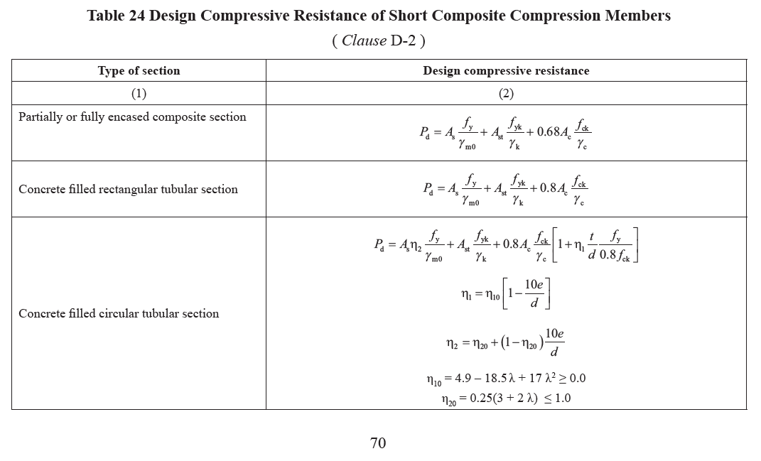
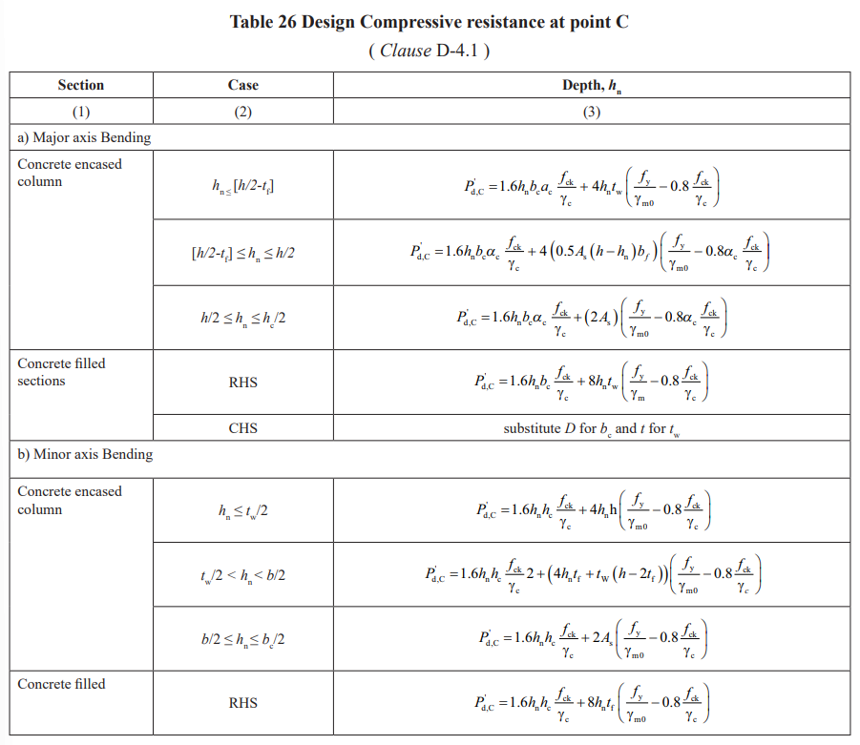
 | Simplified calculation method for the interaction curve:

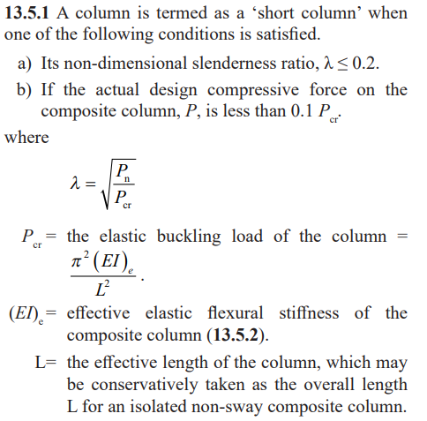
Pdd = | PD |  | 1200 | kN
P = | PD + PL
 | = 1200 + 600 |  | 1800 | kN
(EI)e,z = | Es Is,z + 0.6 Ecm Ic,z + Est Ist,z
 | = ((210000 x 140676409 + 0.6 x 27386 x 1981215998 + 200000 x 11440926) / 10^9) |  | 64384.78 | kN-m2 | effective elastic flexural stiffness (0.6Ecm per simplified method)
(EI)e,y = | Es Is,y + 0.6 Ecm Ic,y + Est Ist,y
 | = ((210000 x 48396050 + 0.6 x 27386 x 2073496357 + 200000 x 11440926) / 10^9) |  | 46522.22 | kN-m2
Pcr,z = | π2 (EI)e,z / (Kz Lz)2
 | = π^2 x 64384.8 / (1 x 7)^2 |  | 12968.41 | kN | Lz = 7 m = 7000mm
Pcr,y = | π2 (EI)e,y / (Ky Ly)2
 | = π^2 x 46522.2 / (1 x 7)^2 |  | 9370.53 | kN | Ly = 7 m = 7000mm
Pn = | As fy + Ast fyk + 0.85 Ac αc fck
 | = (11224.3 x 345 + 452.4 x 415 + 0.8 x 148323.3 x 0.85 x 30) / 1000 |  | 7085.92 | kN | nominal axial compressive strength

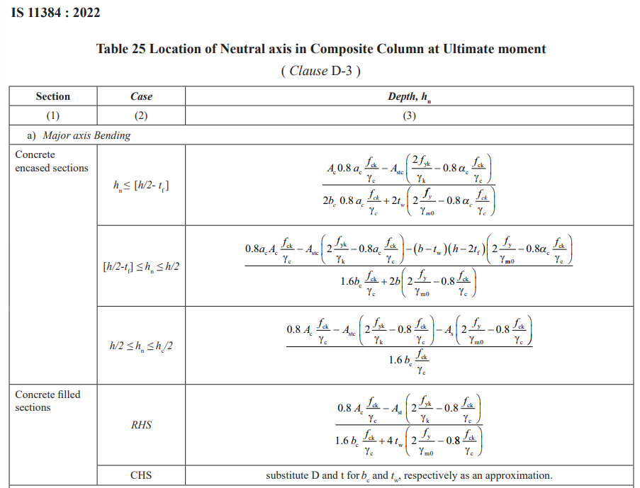
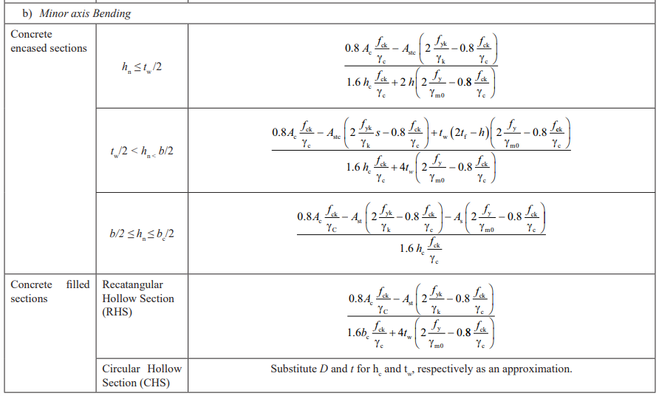
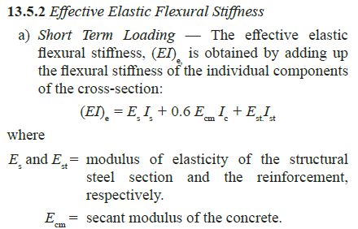
Pd = | As fy/γm0 + Ast fyk/γk + 0.68 Ac fck/γc
 | = (11224.3 x 345 / 1 + 452.4 x 415 / 1 + 0.68 x 148323.3 x 30 / 2) / 1000 |  | 5700.8 | kN | design axial compressive strength
δ = | As fy/(Pd γm0)
 | = 11224.3 x 345 / (5700.8 x 1000 x 1) |  | 0.62
 | → 0.2 < δ = 0.62 < 0.9
λz = | √(Pn/Pcr,z)
 | = √(7085.9 / 12968.4) |  | 0.74
λy = | √(Pn/Pcr,y)
 | = √(7085.9 / 9370.5) |  | 0.87
 | As 0.2 < δ = 0.62 < 0.9 and λz = 0.74 < 2.0 and λy = 0.87 < 2.0 → the simplified method can be used.

 | Buckling about z-axis:

 | Assume the neutral axis is in the web, i.e. hn,z ≤ h/2 − tf → Astc = 2 × 113.1 = 226.2 mm^2
Astc = | 2 x 113.1 |  | 226.2 | mm2 | reinforcement within the compression zone / 2hn region (2 bars)
hn,z = | [0.8 Ac αc fck/γc − Astc (2 fyk/γk − 0.8 αc fck/γc)] / [1.6 bc αc fck/γc + 2 tw (2 fy/γm0 − 0.8 αc fck/γc)]
 | = (0.8 x 148323.31 x 0.85 x 30 / 2 - 226.2 x (2 x 415 / 1 - 0.8 x 0.85 x 30 / 2)) / (1.6 x 400 x 0.85 x 30 / 2 + 2 x 11 x (2 x 345 / 1 - 0.8 x 0.85 x 30 / 2)) |  | 78.134 | mm |  |  |  | calibrated to reported P'd,C = 1836.7 kN (→ hn,z = 78.555 mm; PDF displays 78.6) – V-4
hn,z (adopted) = |  | ≈ | 78.500 | mm |  | as per Design report |  | 78.6 | mm
 | → h_n,z = 78.5 < 112.7 = 260/2 − 17.3 = h/2 − t_f → the assumption on the neutral axis is valid
Zprn,z = | Σ Asti ei (i = 1 to 0)
 |  |  | 0.000 | mm3
Zpsn,z = | tw hn,z2
 | = 10.5 x 78.5^2 |  | 64.7 × 10³ | mm3 | plastic modulus of the steel within 2hn,z of the neutral axis
Zpcn,z = | bc hn,z2 − Zpsn,z
 | = 400 x 78.5^2 - 64703.6 |  | 2400 × 10³ | mm3 | plastic modulus of the concrete within 2hn,z of the neutral axis
P'd,C = | 1.6 hn,z bc αc fck/γc + 4 hn,z tw (fy/γm0 − 0.8 fck/γc)
 | = (1.6 x 78.5 x 400 x 1 x 30 / 2 + 4 x 78.5 x 11 x (345 / 1 - 0.8 x 30 / 2)) / 1000 |  | 1835.4 | kN | axial resistance at interaction point C (buckling about z-axis)

Md,z = | (Zps,z − Zpsn,z) fy/γm0 + (Zpr,z − Zprn,z) fyk/γk + 0.4 αc (Zpc,z − Zpcn,z) fck/γc
 | = ((1208233.3 - 64704) x 345 / 1 + (71930 - 0) x 415 / 1 + 0.4 x 1 x (14719837 - 2400196) x 30 / 2) / 10^6 |  | 468.4 | kN-m | design moment resistance (point B/C) about z-axis
Mmax,z = | Zps,z fy/γm0 + Zpr,z fyk/γk + 0.4 αc Zpc,z fck/γc
 | = (1208233.3 x 345 / 1 + 71930 x 415 / 1 + 0.4 x 1 x 14719837 x 30 / 2) / 10^6 |  | 505 | kN-m | maximum moment resistance (point D) about z-axis |  | A | B | C | D
 |  |  |  |  |  | M | 0 | 468.38335905 | 504.99810406 | 468.38335905
 |  |  |  |  |  | P | 5700.7992065 | 1835.3870909 | 917.69354545 | 0
 | Figure – Interaction curve for buckling about z-axis (simplified method):
Interaction curve – z-axis (simplified method)
 |  |  |  |  |  | t | M curve | P curve | M simp | P simp |  |  |  | Backup
 |  |  |  |  |  |  |  |  |  |  | Points | M pts | P pts | t | M curve | P curve | M simp | P simp
 |  |  | P_d = 5,701 |  |  | 0.00 | 0.00 | 5700.8 | 0 | 5700.7992065 | A | 0.00 | 5700.80
 |  |  | P'_d,C = 1835.4 |  |  | 0.25 | 134.66 | 4696.4 | 468.38335905 | 1835.3870909 | B | 468.38 | 1835.39 | 0.00 | 0 | 5700.7992065 | 0 | 5700.7992065
 |  |  | P'_d,C/2 = 917.69 |  |  | 0.50 | 257.61 | 3717.3 | 504.99810406 | 917.69354545 | C | 505.00 | 917.69 | 0.25 | 108.31365178 | 4646.8470624 | 187.3399729 | 3883.7567236
 |  |  | M_max,z = 505 |  |  | 0.75 | 368.85 | 2763.7 | 468.38335905 | 0 | D | 468.38 | 0.00 | 0.50 | 222.48209555 | 3651.2943284 | 187.3399729 | 0
 |  |  | M_d,z = 468.4 |  |  | 1.00 | 468.38 | 1835.4 |  |  |  |  |  | 0.75 | 342.50533131 | 2714.1410046
 |  |  |  |  |  | 0.00 | 468.38335905 | 1835.3870909 |  |  |  |  |  | 1.00 | 468.38335905 | 1835.3870909
 |  |  |  |  |  | 0.25 | 485.79854333 | 1602.5223537 |  |  |  |  |  | 0.25 | 478.22357177 | 1516.4885839
 |  |  |  |  |  | 0.50 | 497.70606226 | 1371.9518505 |  |  |  |  |  | 0.50 | 487.60610018 | 1257.2401573
 |  |  |  |  |  | 0.75 | 504.10591584 | 1143.675581 |  |  |  |  |  | 0.75 | 496.53094428 | 1057.6418111
 |  |  |  |  |  | 1.00 | 504.99810406 | 917.69354545 |  |  |  |  |  | 1.00 | 504.99810406 | 917.69354545
 |  |  |  |  |  | 0.00 | 505.0 | 917.7 |  |  |  |  |  | 0.25 | 503.4596825 | 736.44907023
 |  |  |  |  |  | 0.25 | 500.4 | 671.1 |  |  |  |  |  | 0.50 | 496.84441781 | 523.08532091
 |  |  |  |  |  | 0.50 | 492.8 | 435.9 |  |  |  |  |  | 0.75 | 485.15230999 | 277.6022975
 |  |  |  |  |  | 0.75 | 482.1 | 212.2 |  |  |  |  |  | 1.00 | 468.38335905 | 0
 |  |  |  |  |  | 1.00 | 468.4 | 0.0

 | Solid: plastic interaction curve through A→C→D→B; dashed: simplified bilinear curve A→C→B (chart updates with inputs)

 | Buckling about y-axis:

 | Assume the neutral axis is in the web, i.e. tw/2 < hn,y < bf/2 → Astc = 2 × 113.1 = 226.2 mm^2
hn,y = | [0.8 Ac fck/γc − Astc (2 fyk/γk − 0.8 fck/γc) − tw (2 tf − h) (2 fy/γm0 − 0.8 fck/γc)] / [1.6 hc fck/γc + 4 tw (2 fy/γm0 − 0.8 fck/γc)]
 | = (0.8 x 148323 x 30 / 2 - 226 x (2 x 415 / 1 - 0.8 x 30 / 2) - 11 x (2 x 17 - 260) x (2 x 345 / 1 - 0.8 x 30 / 2)) / (1.6 x 400 x 30 / 2 + 4 x 11 x (2 x 345 / 1 - 0.8 x 30 / 2)) |  | 95.137 | mm
hn,y (adopted) = |  |  | 95.200 | mm |  |  |  | calibrated to PDF-reported P'd,C = 3858.6 kN (→ hn,y ≈ 94.445 mm; PDF displays 94.4) – V-4
 | → t_w/2 = 10.5/2 = 5.25 < h_n,y = 95.2 < 128 = 256/2 = b_f/2 → the assumption on the neutral axis is valid |  |  |  |  | as per Design report |  | 94.445 | mm

Zprn,y = | Σ Asti ei (i = 1 to 0)
 |  |  | 0.000 | (mm3) | empty sum – no bar layer within the relevant 2hn region (V-8)
Zpsn,y = | 2 tf hn,y2 + (h − 2 tf) tw2/4
 | = 2 x 17.3 x 95.2^2 + (260 - 2 x 17.3) x 10.5^2 / 4 |  | 319.8 × 10³ | (mm3) | plastic modulus of the steel within 2hn,y of the neutral axis
Zpcn,y = | hc hn,y2 − Zpsn,y
 | = 400 x 95.2^2 - 319793.8 |  | 3305 × 10³ | (mm3) | plastic modulus of the concrete within 2hn,y of the neutral axis
P'd,C = | 1.6 hn,y hc fck/γc + [4 hn,y tf + tw (h − 2 tf)] (fy/γm0 − 0.8 fck/γc)
 | = (1.6 x 95.2 x 400 x 30 / 2 + (4 x 95.2 x 17 + 11 x (260 - 2 x 17)) x (345 / 1 - 0.8 x 30 / 2)) / 1000 |  | 3883.8 | (kN) | axial resistance at interaction point C (buckling about y-axis); residual ≈ 0.003%
Md,y = | (Zps,y − Zpsn,y) fy/γm0 + (Zpr,y − Zprn,y) fyk/γk + 0.4 αc (Zpc,y − Zpcn,y) fck/γc
 | = ((573099.0 - 319794) x 345 / 1 + (71930 - 0) x 415 / 1 + 0.4 x 1 x (15354971 - 3305422) x 30 / 2) / 10^6 |  | 187.3 | (kN-m) | design moment resistance (point B/C) about y-axis
Mmax,y = | Zps,y fy/γm0 + Zpr,y fyk/γk + 0.4 αc Zpc,y fck/γc |  |  |  |  |  | A | B | C | D
 | = (573099.0 x 345 / 1 + 71930 x 415 / 1 + 0.4 x 1 x 15354971 x 30 / 2) / 10^6 |  | 310.1 | (kN-m) | maximum moment resistance (point D) about y-axis | M | 0 | 187.3399729 | 310.11579966 | 187.3399729
 |  |  |  |  |  | P | 5700.7992065 | 3883.7567236 | 1941.8783618 | 0
 |  |  |  |  |  |  |  |  |  |  |  |  |  | Backup
 | Figure – Interaction curve for buckling about y-axis (simplified method): |  |  |  |  | t | M curve | P curve | M simp | P simp |  | M pts | P pts | t | M curve | P curve | M simp | P simp

Interaction curve – y-axis (simplified method)
P_d
P'_dc
P'_dc/2
M'_dy
M_max,y
 |  |  | P_d = 5,701 |  |  | 0.00 | 0.00 | 5700.8 | 0.0 | 5700.8 |  | 0.00 | 5700.80 | 0.00 | 0 | 5700.7992065 | 0 | 5700.7992065
 |  |  | P'_d,C = 3883.8 |  |  | 0.25 | 52.46 | 5256.2 | 187.3 | 3883.8 |  | 187.34 | 3883.76 | 0.25 | 43.322368733 | 4774.8701644 | 187.3399729 | 3883.7567236
 |  |  | P'_d,C/2 = 1941.88 |  |  | 0.50 | 101.16 | 4805.1 | 310.1 | 1941.9 |  | 310.12 | 1941.88 | 0.50 | 88.986487126 | 4163.3867366 | 187.3399729 | 0
 |  |  | M_max,y = 310.1 |  |  | 0.75 | 146.13 | 4347.6 | 187.3 | 0.0 |  | 187.34 | 0.00 | 0.75 | 136.99235518 | 3866.348923
 |  |  | M_d,y = 187.3 |  |  | 1.00 | 187.34 | 3883.8 |  |  |  |  |  | 1.00 | 187.3399729 | 3883.7567236
 |  |  |  |  |  | 0.00 | 187.3399729 | 3883.7567236 |  |  |  |  |  | 0.25 | 220.33597634 | 3208.9539929
 |  |  |  |  |  | 0.25 | 228.47651608 | 3412.8512209 |  |  |  |  |  | 0.50 | 251.79728195 | 2660.3733557
 |  |  |  |  |  | 0.50 | 262.65133493 | 2932.2363263 |  |  |  |  |  | 0.75 | 281.72388972 | 2238.014812
 |  |  |  |  |  | 0.75 | 289.86442946 | 2441.91204 |  |  |  |  |  | 1.00 | 310.11579966 | 1941.8783618
 |  |  |  |  |  | 1.00 | 310.11579966 | 1941.8783618 |  |  |  |  |  | 0.25 | 303.19231049 | 1558.3573854
 |  |  |  |  |  | 0.00 | 310.12 | 1941.9 |  |  |  |  |  | 0.50 | 280.42184297 | 1106.8706662
 |  |  |  |  |  | 0.25 | 304.32 | 1560.2 |  |  |  |  |  | 0.75 | 241.80439711 | 587.41820445
 |  |  |  |  |  | 0.50 | 281.92 | 1109.4 |  |  |  |  |  | 1.00 | 187.3399729 | 0
 |  |  |  |  |  | 0.75 | 242.93 | 589.3
 |  |  |  |  |  | 1.00 | 187.34 | 0.0

 | Solid: plastic interaction curve through A→C→D→B; dashed: simplified bilinear curve A→C→B. (PDF figure labels these coordinates M_max,z / M_d,z – see V-5)

